Actual Operation Evidence
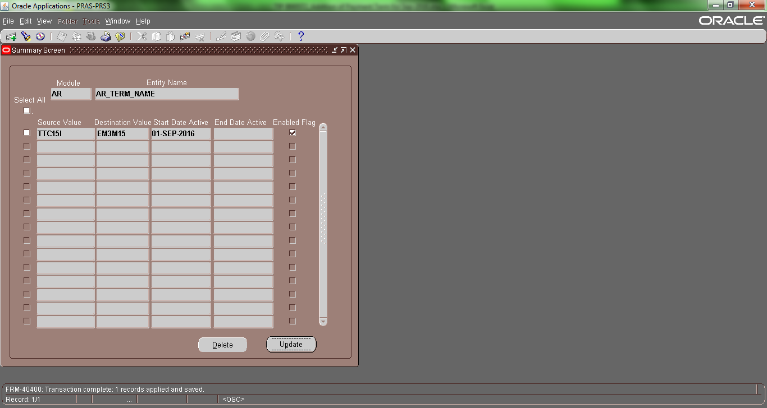
Actual Operation Evidence

Setup Details:
 | GAIA term | Description | Day of Month | Months Ahead
TTC15I | EM3M15 | T/T REMITTANCE BY THE 15TH DAY OF THE 3RD MONTH AFTER THE MONTH OF INVOICE | 15 | 3

Setup Sheet (updated by Kamada-san):
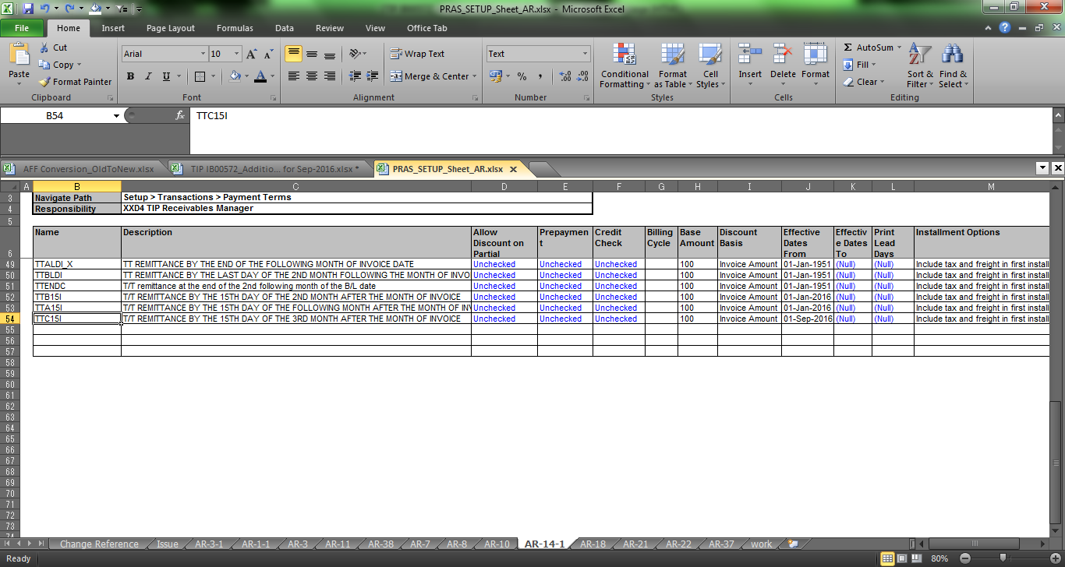

Setup in PRAS-Receivables Manager
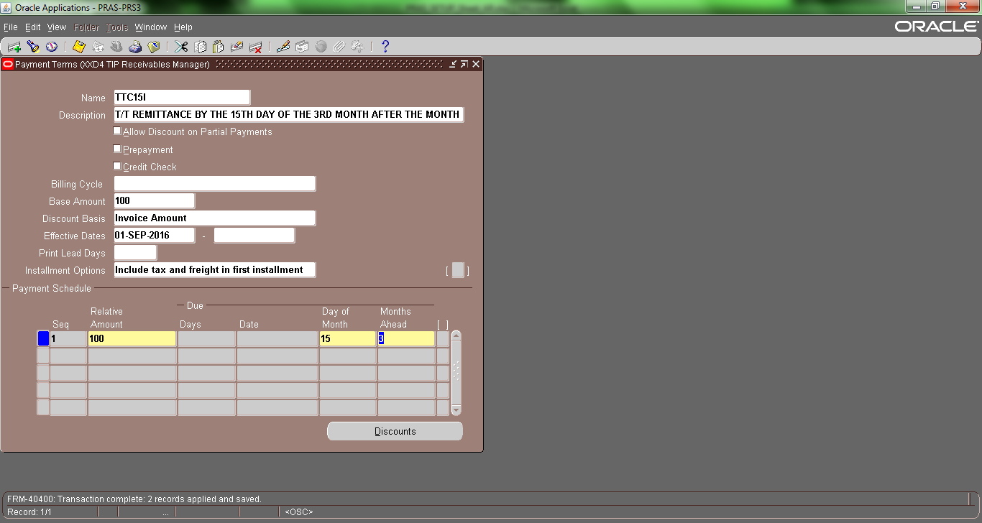

Setup in Conversion Master (for GAIA term):

